TECHNICAL SHEET GARMENT
 |  |  | TECHNICAL SHEET GARMENT |  | WINTER 2018/19
LFV11493 |  | LD JASPER SOFTSHELL |  |  | INDEX | V1BULK
DATE | 2020-01-04 |  | DEVELOPPER: | Marjorie | SUPPLIER : |  | PRIMA CHANNEL
FABRICS : DT 989 / DRYTEX
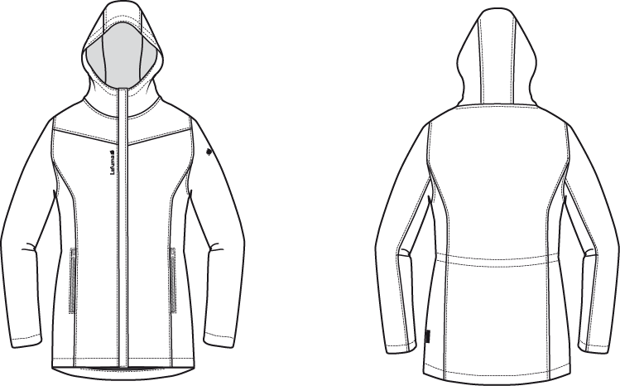

 |  | Move zipper pocket next to cut out

JKT COUNTER SAMPLE
 |  | COUNTER SAMPLE |  |  |  |  |  |  |  | WINTER 2018/19
LFV11493 |  |  | LD JASPER SOFTSHELL |  |  |  |  |  |  | INDEX | V1BULK
DATE | 2020-01-04 |  |  | DEVELOPPER: | Marjorie |  |  |  |  | SUPPLIER : |  | PRIMA CHANNEL

 | MEASUREMENTS TAKEN ON FINISH PRODUCT |  |  |  |  | 銷樣 |  | 大貨
MEASUREMENTS IN CM |  |  |  |  | ALLOWANCES | Measures to follow for making 1st c/s SIZE M | SMS measures NORTH SEA the 21/12/2017 | Measures to follow for BULK
FRONT JACKET MEASUREMENTS (IN CM) |  |  |  |  |  |  | M | M
B | FRONT BREADTH AT 13CM FROM SHOULDER POINT NECKLINE |  |  | 上胸寬(領肩點下13cm) | +/- 0,5 cm | 38.5 | 38 | 38
C | 1/2 CHEST ROUND |  |  | 1/2胸圍(腋點量) | +/- 1 cm | 52 | 52 | 52
D | 1/2 WAIST ROUND AT 42CM FROM SHOULDER POINT NECKLINE |  |  | 1/2腰圍(領肩點下42cm) | +/- 1 cm | 47 | 48 | 47 | 1
FA | 1/2 HIPS ROUND AT 54 CM FROM SHOULDER POINT NECKLINE |  |  | 1/2臀圍(領肩點下54cm) | +/- 1 cm | 52 | 52 | 52
IA | 1/2 BOTTOM RELAXED ROUND |  |  | 1/2下襬(平量) | +/- 1 cm | 59 | 58 | 59 | -1
JA | TOTAL LENGHT FROM SHOULDER POINT TO BOTTOM FRONT |  |  | 前身長(領肩點量) | +/- 1 cm | 77 | 76 | 77 | -1
KA | SHOULDER LENGHT |  |  | 單肩寬 | +/- 0,5 cm | 11.5 | 11.5 | 11.5
KD | ARMHOLE HEIGHT |  |  | 1/2袖襱(直量) | +/- 0,5 cm | 22.5 | 21.5 | 22.5 | -1
LA | 1/2 ARM ROUND |  |  | 1/2袖寬(腋點直量) | +/- 0,5 cm | 20.5 | 20 | 20.5 | -0.5
LB | 1/2 ELBOW ROUND AT 28CM FROM BOTTOM SLEEVE |  |  | 1/2肘寬(袖口以上28cm量) | +/- 0,5 cm | 15.5 | 15 | 15.5 | -0.5
LC | 1/2 BOTTOM SLEEVE ROUND RELAXED |  |  | 1/2袖口寬(平量) | +/- 0,5 cm | 12.5 | 12 | 12.5 | -0.5
N | TOTAL SLEEVE LENGHT |  |  | 袖長(肩點量) | +/- 1 cm | 63 | 63 | 63
BACK JACKET MEASUREMENTS (IN CM)
R | BACK BREADTH AT 13CM FROM SHOULDER POINT NECKLINE |  |  | 上背寬(領肩點下13cm) | +/- 0,5 cm | 40 | 39.5 | 40 | -0.5
S | CENTER BACK LENGTH |  |  | 後身長(後中領圍至下襬) | +/- 1 cm | 77 | 76.5 | 77 | -0.5
COLLAR MEASUREMENTS (IN CM)
UA1 | NECK WIDTH |  |  | 後領寬 | +/- 1 cm | 20 | 19 | 20 | -1
UA2 | FRONT NECK DEPTH |  |  | 前領深 | +/- 0,5 cm | 8.5 | 8.5 | 8.5
UB1 | INNER NECKLINE LENGHT |  |  | 下領圍(不含拉鍊) | +/- 1 cm | 50 | 51 | 51
UB2 | COLLAR LENGHT AT THE TOP EDGE |  |  | 上領圍(不含拉鍊) | +/- 1 cm | 52 | 54 | 54
HOOD MEASUREMENTS (IN CM)
VB | HOOD WIDTH AT 18CM FROM SHOULDER POINT / NECKLINE |  |  | 1/2帽寬(後中以上18cm) | +/- 0,5 cm | 22 | 23 | 22 | 1
VHA | HOOD HEIGHT AT FRONT |  |  | 帽前高(開口處) | +/- 0,5 cm | 34 | 34 | 34
VHB | HOOD HEIGHT AT SHOULDER POINT |  |  | 帽高(領肩點量) | +/- 0,5 cm | 35 | 35 | 35
VE | CHIN HEIGHT |  |  | 前領高 | +/- 0,5 cm | 8.5 | 8.5 | 8.5
ZIPPERS MEASUREMENTS (IN CM)
Z1 | MIDDLE FRONT |  |  | 門襟拉鍊長 | +/- 0,5 cm | 77 | 76 | 77 | -1
Z2 | FRONT POCKET |  |  | 側袋開口長 | +/- 0,5 cm | 17 | 16.5 | 17 | -0.5

Comments on SMS the 21/12/2017
HANG TAG
Hang tag corporate & windactive must be small # HT-394082-E & HT-396073-E
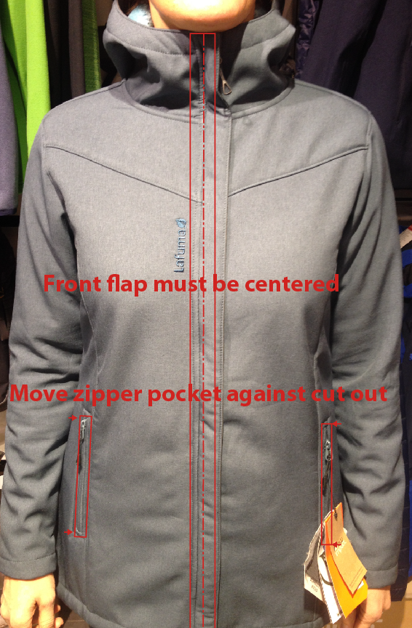
吊牌改為用#HT-394082-E (i/o #HT-394081-E)
吊牌改為用#HT-396073-E (i/o #HT-394137-E)

COLORS
On style ASPHALTE, zipper colors must be more tone on tone # 156 i/o 580, Embroideries colors must be 40013 i/o 9000
色組#7523, 拉鍊顏色改為#156, 繡花線色改為#40013
On style NORTH SEA, embroideries colors must be 30061 i/o 20051, zipper puller must be NORTH SEA
色組#8604, 拉鍊拉片顏色改為NORTH SEA, 繡花線色改為#30061
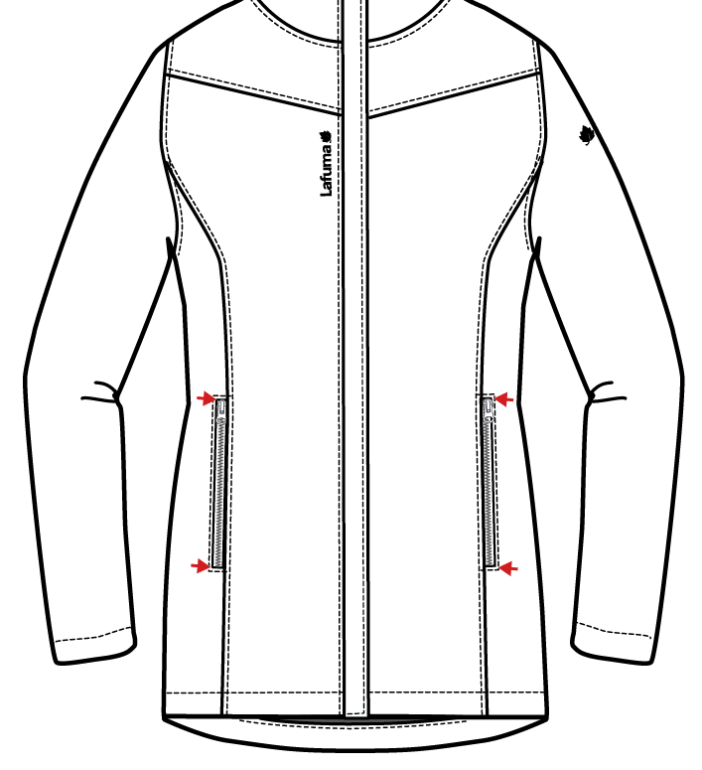
Front flap must be centered in a middle front
外擋風片必須置中

Move zipper pocket next to cut out on front

側袋位置移至前身片剪接處

Follow comments for BULK, please send size set to France ( size S and size XL)

依照以上修正後可作大貨
需提供尺寸套SIZE：S & XL至法國

DETAILS OUTER JKT 1
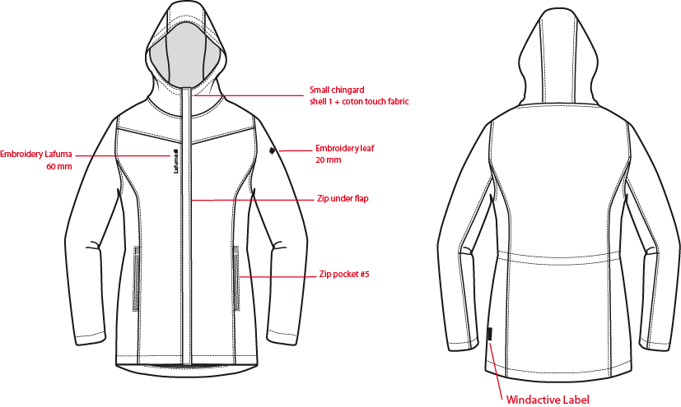
 |  | DETAILS OUTER JKT |  |  |  | WINTER 2018/19
LFV11493 |  |  | LD JASPER SOFTSHELL |  |  | INDEX | V1BULK
DATE | 2020-01-04 |  |  | DEVELOPPER: | Marjorie | SUPPLIER : |  | PRIMA CHANNEL

DETAILS OUTER JKT 1 (2)
 |  | DETAILS OUTER JKT |  |  |  | WINTER 2018/19
LFV11493 |  |  | LD JASPER SOFTSHELL |  |  | INDEX | V1BULK
DATE | 2020-01-04 |  |  | DEVELOPPER: | Marjorie | SUPPLIER : |  | PRIMA CHANNEL
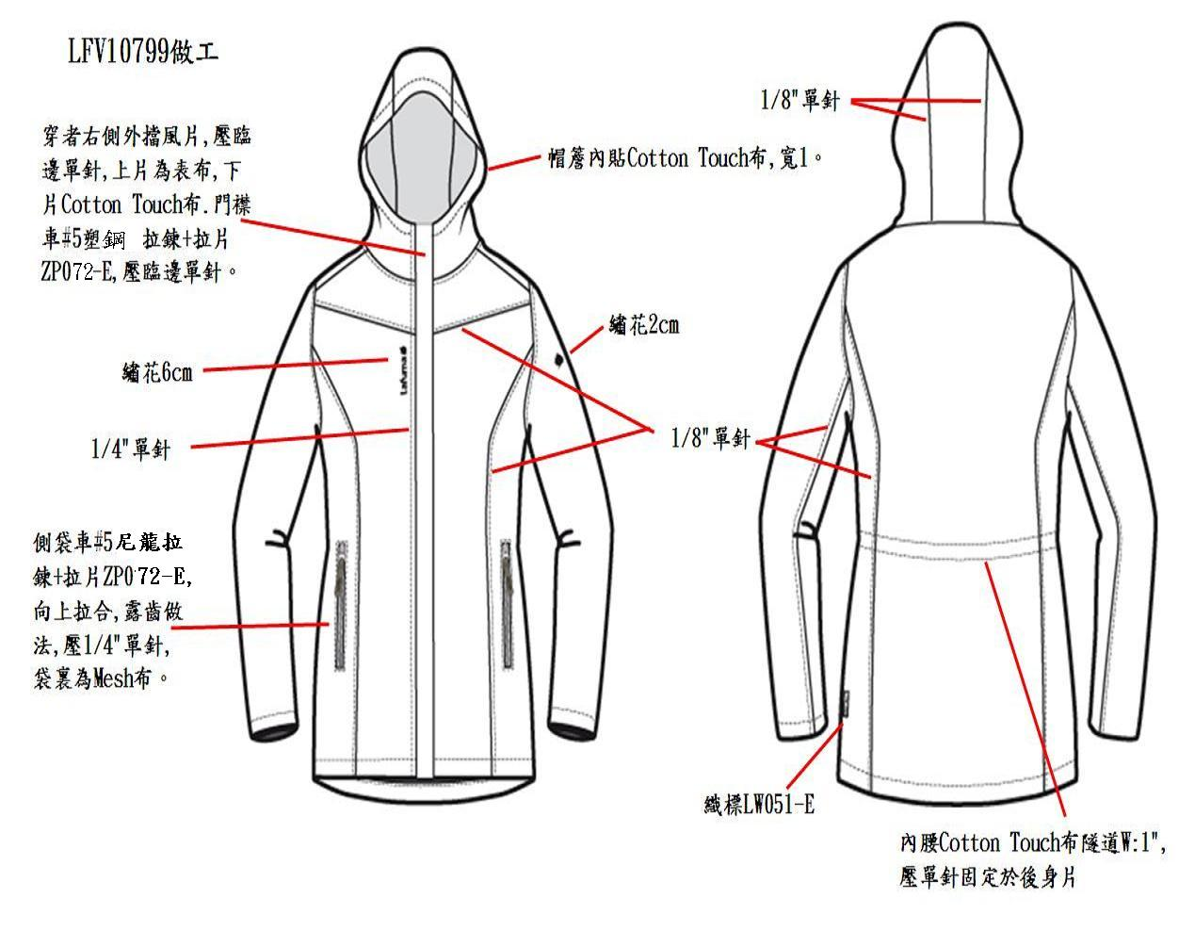
壓1/8"單針

DETAILS INSIDE JKT
 |  | DETAILS INSIDE JKT |  |  |  | WINTER 2018/19
LFV11493 |  |  | LD JASPER SOFTSHELL |  |  | INDEX | V1BULK
DATE | 2020-01-04 |  |  | DEVELOPPER: | Marjorie | SUPPLIER : |  | PRIMA CHANNEL
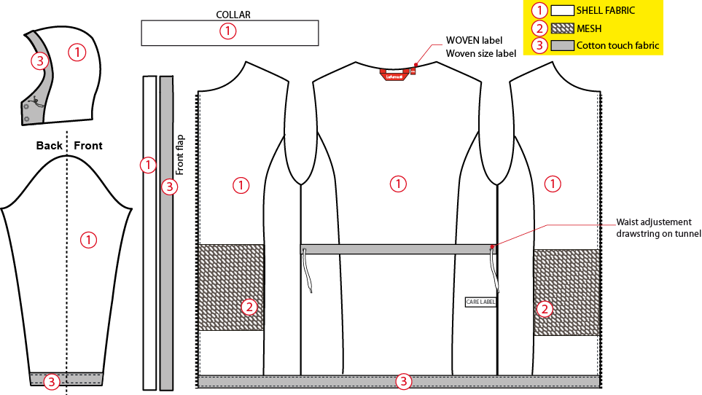
表布
穿者右側外擋風片，上片為表布，下片COTTON TOUCH布
網布#DW187
吊掛式主標+尺寸標

下襬/袖口內貼高1", 包光壓單針.

DETAILS INSIDE JKT (2)
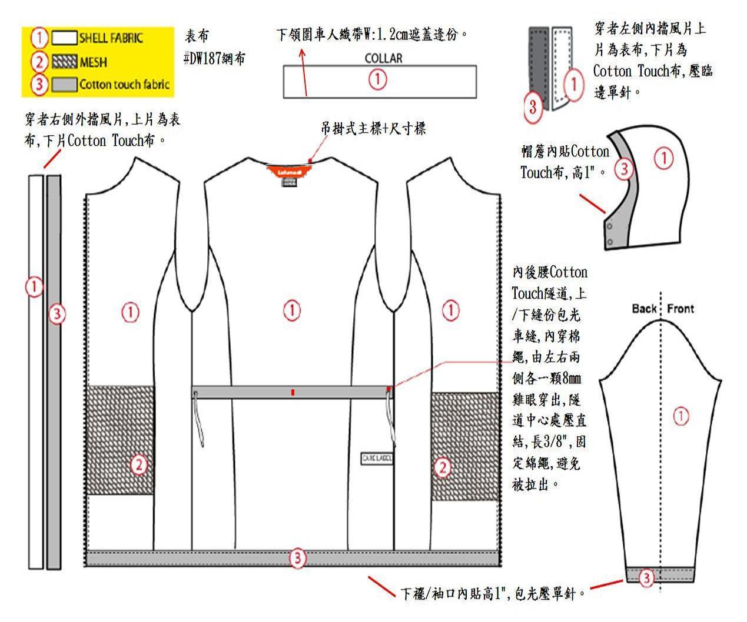
 |  | DETAILS INSIDE JKT |  |  |  | WINTER 2018/19
LFV11493 |  |  | LD JASPER SOFTSHELL |  |  | INDEX | V1BULK
DATE | 2020-01-04 |  |  | DEVELOPPER: | Marjorie | SUPPLIER : |  | PRIMA CHANNEL

COLOR SKETCH
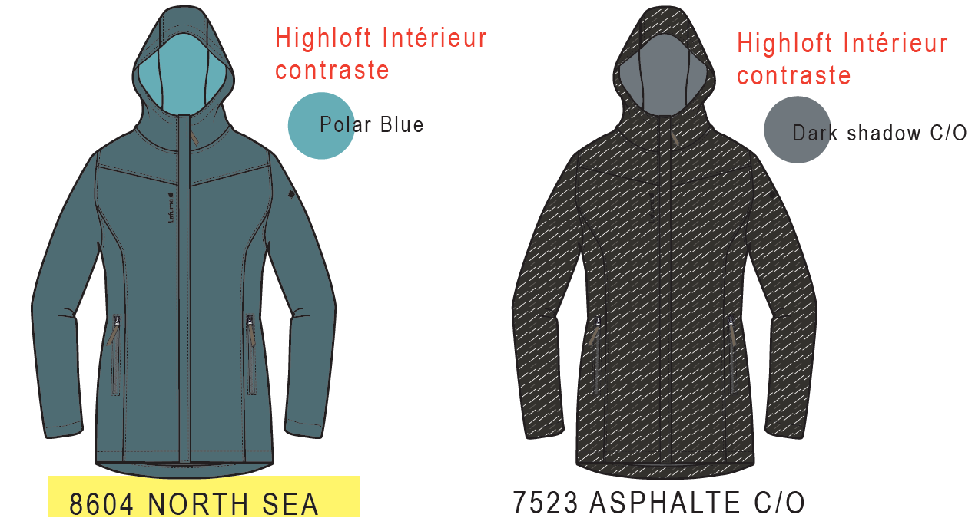
 |  | COLOR SKETCH |  |  |  | WINTER 2018/19
LFV11493 |  |  | LD JASPER SOFTSHELL |  |  | INDEX | V1BULK
DATE | 2020-01-04 |  |  | DEVELOPPER: | Marjorie | SUPPLIER : |  | PRIMA CHANNEL

COLOR COMBINATION
 |  | COLOR COMBINATION |  |  |  |  |  |  |  | WINTER 2018/19
LFV11493 |  |  |  |  | LD JASPER SOFTSHELL |  |  |  |  | INDEX | V1BULK
DATE | 2020-01-04 |  |  |  | DEVELOPPER: |  | Marjorie |  |  | SUPPLIER : |  |  | PRIMA CHANNEL
FABRIC |  |  |  | SUPPLIER |  |  | 7523 ASPHALTE | 8604 NORTH SEA
SHELL 1 - SMS order DT-989 BULK order DT-1598 |  |  |  | DRYTEX | BODY |  | ASPHALTE | NORTH SEA
COTTON TOUCH FABRIC |  |  |  | LOCAL | UNDER FRONT FLAP BOTTOM BODY + SLEEVES HOOD FINISHING |  | DARK SHADOW colour should match the backing | DARK SHADOW colour should match the backing
POLYESTER MESH |  |  |  | LOCAL | POCKET BAG |  | DARK SHADOW colour should match the backing | DARK SHADOW colour should match the backing
NON WOVEN |  |  |  | LOCAL | EMBROIDERIES BACKSIDE +STORM FLAP |  | STANDARD | STANDARD
TRIMMING AND ACCESSORIES
 | DESCRIPTION |  | REF | SUPPLIER | DESIGNATION | QTY | ASPHALTE | NORTH SEA | 0 | XS | S | M | L | XL | XXL
Zipper Reversed # 5 1 WAY - separable - autolock |  |  |  | MAX | 1x Front zip | 1 | TAPE : 156 TEETH : DARK NICKEL | TAPE : 118 TEETH : DARK NICKEL
Zipper reversed # 5 1 WAY - non separable - non lock |  |  |  | MAX | 2x HANDS Pocket | 2 | 156 | 118
cord puller |  |  | ZP072-E | DRAGON TIMES | 1x Front zipper | 1 | BLACK | NORTH SEA
8mm METAL EYELET |  |  |  | LOCAL | 2x waist adjustment | 2 | ANTIC SILVER | ANTIC SILVER
COTTON HERRINGBONE TWILL TAPE 12mm |  |  |  | LOCAL | 1x hood finishing | 1 | DARK SHADOW colour should match the backing | DARK SHADOW colour should match the backing
DRAWSTRING 12 mm width + plastic tips |  |  | WB104-E | WILSON GROUP | 1x Waist adjustement | 1
MARKING
Embroidery LAFUMA 60mm |  |  |  | LOCAL / MING SHUANG | Right top front | 1 | 40013 | 30051
Embroidery LEAF 20mm | 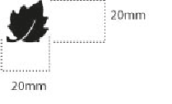 |  |  | LOCAL / MING SHUANG | Left top sleeve | 1 | 40013 | 30051
LABELS
WOVEN LABEL WINDACTIVE |  |  | LW051-E | TRIPLE STAR | Bottom left back | 1 | BLACK
LAFUMA LABELS |  |  | LW034-E | SML | Neckline / centered | 1 | ORANGE
SIZE WOVEN LABEL MMG ALPHA WOMEN /TOP |  |  | LWS18-04 | SML | Neckline / centered | 1 | STANDARD
Care Label & P.O. Label |  |  | LC011-E | SML | left side seam | 1 | WHITE satin
HANG TAG
HANG TAG LOW IMPACT |  |  | HT394299-E | Triple star |  | 1 | STANDARD
HANGTAG LAFUMA CORPORATE |  |  | SMALL HT-394082-E | TRIPLE STAR | LEFT SIDE POCKET ZIPPER | 1 | STANDARD
HANGTAG LAFUMA WINDACTIVE | 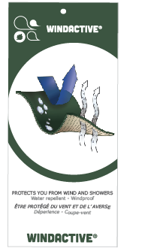 |  | SMALL HT-396073-E | TRIPLE STAR | Insert on corporate Hang tag | 1 | STANDARD
HANG TAG PFC FREE |  |  | HT394145-E | TRIPLE STAR |  | 1 | STANDARD
GENCODE STICKER |  |  |  | LOCAL |  | 2
SILICA GEL DMF U FREE 5gr |  |  |  | LOCAL |  | 1
POLYBAG |  |  |  | LOCAL |  | 1
 |  |  |  | LOCAL |  | 1

MARKING
 |  |  | MARKING |  |  |  | WINTER 2018/19
LFV11493 |  | LD JASPER SOFTSHELL |  |  |  |  | INDEX | V1BULK
DATE | 2020-01-04 |  | DEVELOPPER: | Marjorie |  |  | SUPPLIER : |  | PRIMA CHANNEL
DESIGNATION |  |  |  |  |  | POSITION
LAFUMA+楓葉繡花 6cm
穿者右前胸剪接下1.5cm
距離門襟拉鍊1.5cm
EMBROIDERY LAFUMA 60mm |  |  |  |  | RIGHT TOP FRONT * VERTICAL POSITION : 1,5cm above chest seam * ALONG FRONT ZIPPPER SEAM: 1,5 cm from front flap
楓葉繡花 2cm
穿者左袖肩點下8cm
 EMBROIDERY LEAF 20mm |  |  |  |  | LEFT TOP SLEEVE * CENTRED: 8cm from top sleeve |  | 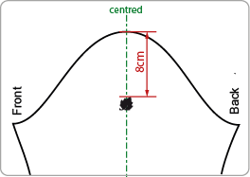
穿者左後脇邊下襬上12cm。
WINDACTIVE WOVEN LABEL |  |  |  |  | BACK LEFT SIDE * INSERT ON SIDE SEAM SEAM 12cm from bottom

JACKET SKETCH MEASUREMENTS
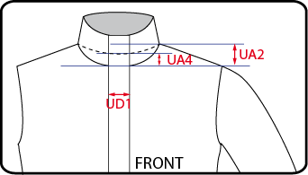
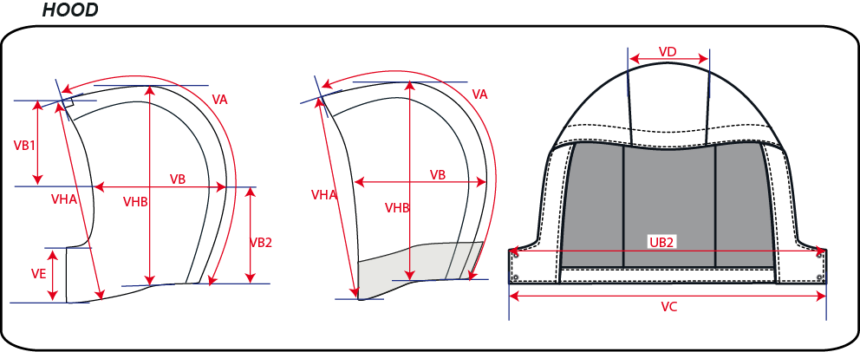
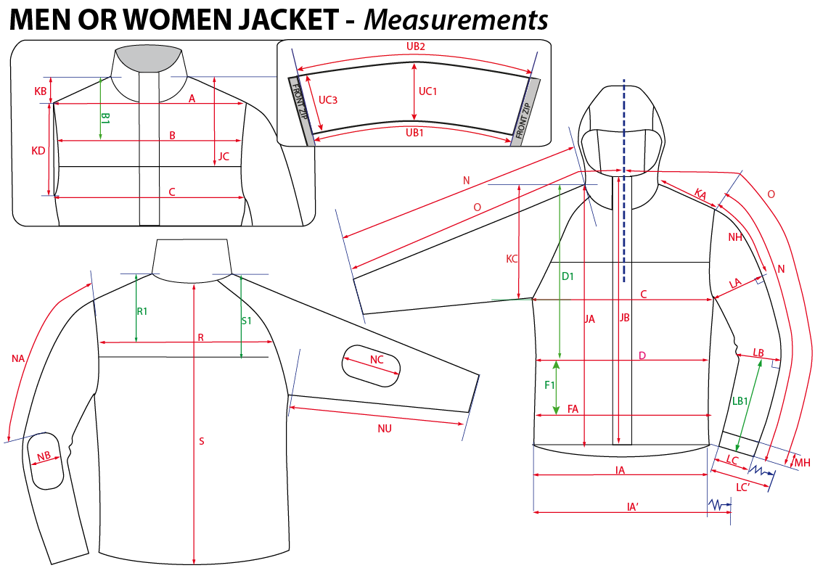
 |  | HOW TO TAKE MEASUREMENTS |  |  | WINTER 2018/19
LFV11493 |  | LD JASPER SOFTSHELL |  |  |  | INDEX | V1BULK
DATE | 2020-01-04 |  | DEVELOPPER: | Marjorie | SUPPLIER : |  | PRIMA CHANNEL

HANG TAGS
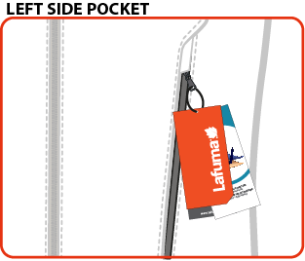
#VALUE! |  | HOW TO ATTACH HANG TAGS |  |  | WINTER 2018/19
LFV11493 |  | LD JASPER SOFTSHELL |  |  |  | INDEX | V1BULK
DATE | 2020-01-04 |  | DEVELOPPER: | Marjorie | SUPPLIER : |  | PRIMA CHANNEL

